Data Import
Identifier | Description | Priority | Date
Danilo1 | some text | high | 2017-02-12
Danilo2 | some text | medium | 2017-02-13
Danilo3 | some text | high
Danilo4 | some text | high | Feb 15
Danilo5 | some text | high | Feb 16

How to import data files in Excel: You simply select Data tab, under Get External Data menu you choose the source, in this case, From Txt. In the import screen, select delimited file, if has comma or other delimiter, next screen select delimiter type and finish.

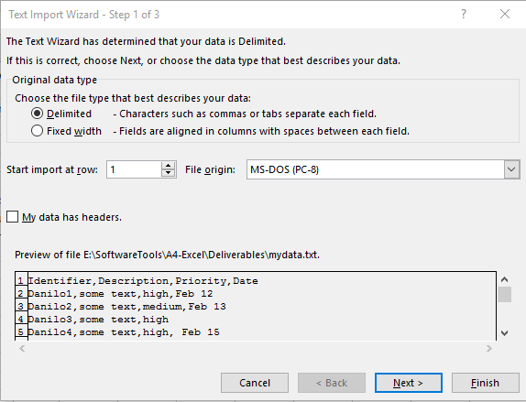
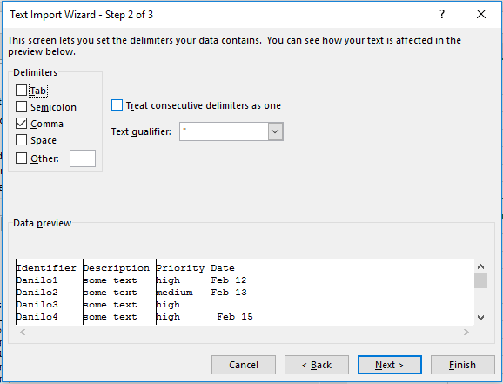

 | Text data file as example:

Chart
 | Flow Charts
Week | Date | Not started | In Draft | Drafted | Under Review | [Actual] Signed off | [Plan] Signed off | Total
1 | 8-Feb-13 | 13 | 18 | 9 | 0 | 0 | 0 | 40
2 | 15-Feb-13 | 6 | 21 | 12 | 1 | 0 | 0 | 40
3 | 22-Feb-13 | 2 | 24 | 12 | 2 | 0 | 0 | 40
4 | 1-Mar-13 | 1 | 28 | 7 | 4 | 0 | 7 | 40
5 | 8-Mar-13 | 0 | 24 | 9 | 5 | 2 | 14 | 40
6 | 15-Mar-13 | 0 | 20 | 10 | 4 | 6 | 21 | 40
7 | 22-Mar-13 | 0 | 10 | 5 | 5 | 20 | 28 | 40
8 | 29-Mar-13 | 0 | 0 | 0 | 0 | 40 | 40 | 40

The project has been well handled as all the workflows has been prepared, handled and signed off. There was a little difference between the planned sign-off and Actual sign off, however it didn't affect the project completion.

Two-Level Sort
In order to sort the table first sort by a-z the column Type and sort by cell colour in the custom sort on Category column.
Category | Type | Name
1 | d | mike
1 | d | november
1 | p | echo
1 | x | alfa
1 | z | india
2 | e | bravo
2 | e | juliett
2 | f | bravo
3 | a | golf
3 | a | juliett
3 | b | kilo
3 | b | oscar
3 | c | charlie
3 | d | foxtrot
4 | a | delta
4 | b | hotel
4 | c | lima
5 | P | papa

